Graphs
 | AXLE LOAD DATA ANALYSIS (KAMPALA - JINJA HIGHWAY)
Load Description (Kampala-Jinja Highway)
Truck Composition for Kampala - Jinja Highway
Vehicle Categories |  |  |  |  |  | Load Description
 | Truck Type | Kampala-Jinja | Jinja-Kampala | Both Directions |  | Category | Kampala-Jinja | Jinja-Kampala
7 | Light/Medium Trucks | 148 | 17 | 165 |  | Agricultural produce | 9.5% | 28.0%
9 | Heavy Trucks | 59 | 13 | 72 |  | Perishable | 0.5% | 0.0%
10 | Truck/Trailer | 216 | 45 | 261 |  | Construction Material | 9.0% | 16.0%
 | Totals | 423 | 75 | 498 |  | Metal/machinery | 3.8% | 4.0%
 |  |  |  |  |  | Forestry products | 0.7% | 0.0%
 |  |  |  |  |  | Fuels | 12.8% | 16.0%
 |  |  |  |  |  | Chemical Products | 0.5% | 1.3%
 |  |  |  |  |  | Livestock | 0.0% | 0.0%
 |  |  |  |  |  | Household retail products | 18.7% | 24.0%
 |  |  |  |  |  | Empty | 29.6% | 0.0%
 |  |  |  |  |  | Others | 15.1% | 10.7%
 |  |  |  |  |  | Total | 423 | 75

Average Truck Loading (Kampala - Jinja Higwhay)
Average Total Loading (Tonnes)
 | Truck Type | Kampala-Jinja | Jinja-Kampala | Both Directions | Limit
7 | Light/Medium Trucks | 9.1 | 14.1 | 11.6 | 18
9 | Heavy Trucks | 17.8 | 24.1 | 20.9 | 27
10 | Truck/Trailer | 27.8 | 39.7 | 33.7 | 54
 | Totals

 |  |  |  |  |  | Proportion of Overloaded Trucks
 |  |  |  |  |  |  | Truck Type | Kampala-Jinja | Jinja-Kampala | Both Directions
 |  |  |  |  |  |  | 0-4.9% | 85.8% | 66.7% | 76.2%
 |  |  |  |  |  |  | 5-25% | 10.4% | 21.3% | 15.9%
 |  |  |  |  |  |  | 25-50% | 2.8% | 12.0% | 7.4%
 |  |  |  |  |  |  | Over 50% | 0.9% | 0.0% | 0.5%
Percentage By Which Vehicles Are Overloaded (Kampala-Jinja)
 |  |  |  |  |  |  |  | 423 | 75

Average Proportion of Overloaded Trucks (Kampala-Jinja)
Proportion of Overloaded Trucks
 | Truck Type | Kampala-Jinja | Jinja-Kampala | Both Directions
7 | Light/Medium Trucks | 14.9% | 52.9% | 33.9%
9 | Heavy Trucks | 18.6% | 76.9% | 47.8%
10 | Truck/Trailer | 19.9% | 37.8% | 28.8%
 | Overall | 18.0% | 48.0%

KEY
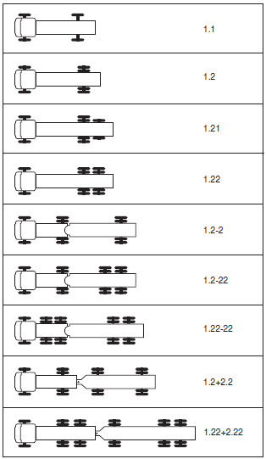
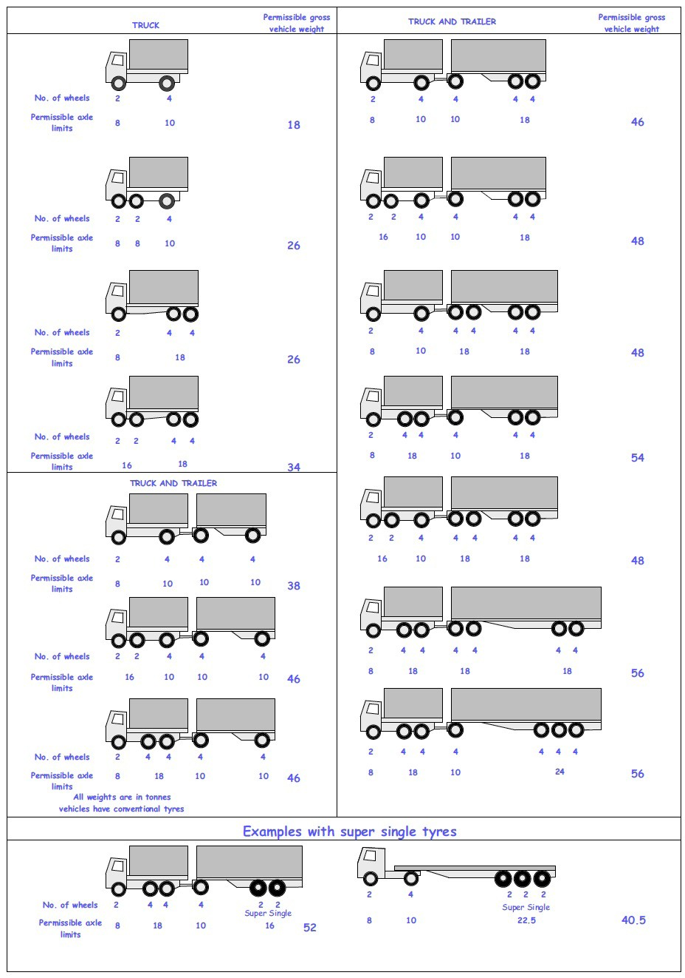
 |  |  |  |  | Axle Configuration
TRUCK TYPES |  |  |  |  | 2-Axles | 2-Axles | 3-Axle | 4-Axle | 5-Axle | 6-Axle | 7-Axle

7 | LIGHT SINGLE UNIT TRUCK-DYNAS AND TRACTORS(2 axles) |  |  |  | 1.1 | 1.2
8 | LIGHT/MEDIUM SINGLE UNIT TRUCKS (3 axles) |  |  |  |  |  | 1.22
9 | MEDIUM - SINGLE UNIT TRUCKS-LORRIES, FUSOS (4 axles) |  |  |  |  |  |  | 1.1-22
 |  |  |  |  |  |  |  | 1.222

10 | HEAVY TRUCK RIGID (5 axles) |  |  |  |  |  |  |  | 1.1-222
 |  |  |  |  |  |  |  |  | 1.2-222
 |  |  |  |  |  |  |  |  | 1.22-22
11 | TRUCK TRAILER AND SEMI TRAILER (6 axles) |  |  |  |  |  |  |  |  | 1.12-222
 |  |  |  |  |  |  |  |  |  | 1.22-222
 |  |  |  |  |  |  |  |  |  | 1.22+1-22
 |  |  |  |  |  |  |  |  |  | 1.22+2-22
 |  |  |  |  |  |  |  |  |  | 1.21-222
 |  |  |  |  |  |  |  |  |  | 1.22-111
12 | TRUCK TRAILER TYPE 2 (7 axles) |  |  |  |  |  |  |  |  |  | 1.11+11-11
 |  |  |  |  |  |  |  |  |  |  | 1.22+22-22
 |  |  |  |  |  |  |  |  |  |  | 1.12+11-22

 | 7. Light Truck
 | 8. Medium Truck
 | 9. Heavy truck
 | 10. Truck Trailer

 | 1*1 | Light Truck | 7 | 18
 | 1*2 | Light Truck | 7 | 18
 | 1*21 | Medium Truck | 8 | 26
 | 1*22 | Heavy Truck | 9 | 26
 | 1*2*2 | Truck Trailer | 10 | 46
 | 1*2*22 | Truck Trailer | 10 | 46
 | 1*22-22 | Truck Trailer | 10 | 46
 | 1*2*2*2 | Truck Trailer | 10 | 46
 | 1*22*2*22 | Truck Trailer | 10 | 46
 | 11*22 | Heavy Truck | 9 | 34

